START
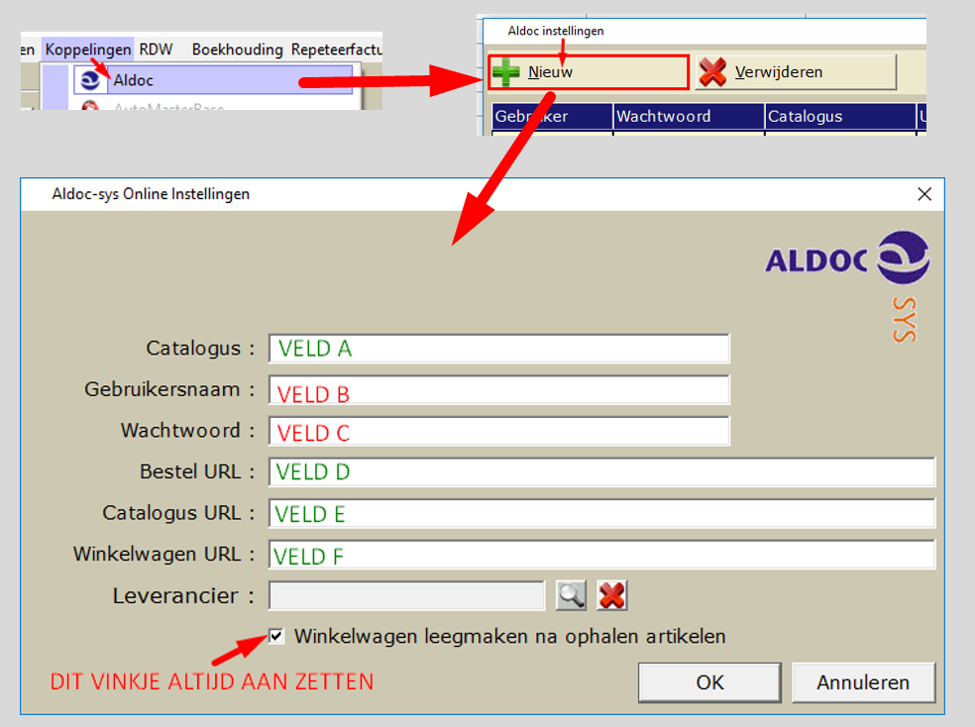
Hulpmiddel opzoeken Aldoc gegevens t.b.v. instellen in CSS

Zoek hier:

Gevonden en gekozen leverancier:

Neem (na het zoeken en kiezen) de groene gegevens hieronder over naar
het instellingscherm van Aldoc in CSS door middel van kopieren en plakken

VELD A | Catalogus | -
VELD B | Gebruikersnaam | -
VELD C | Wachtwoord | -
VELD D | Bestel URL | https://carsystems--.aldoc.eu/cart7/order.ashx
VELD E | Catalogus URL | https://-.aldoc.eu/sys/login.srf
VELD F | Winkelwagen URL | https://-.aldoc.eu/cart7/fetch.ashx

INSTRUCTIE - INSTELLEN ALDOC IN CSS (CARSYS)

